Sheet1
Overview of the Member States initiatives related to FOP nutrition labelling schemes
Last update: 7 February 2017 (Recent developments in The Netherlands and Portugal).
 | FOP scheme | Voluntary / mandatory | Government /private scheme | Food based OR nutrient based | General characteristics | Uptake by the industry/retailers | FIC Regulation /Claims Regulation / Out of scope of EU law | Recent developments
EU | RI scheme | Voluntary | Industry scheme (FoodDrinkEurope) + formalised by the FIC Regulation | Nutrient based | Energy content + content in four nutrients (sugars, fats, saturated fats, salt). Daily RI for energy and for the four nutrients on a per portion basis. | Used by industry and retailers across Europe | FIC Regulation (Art. 35)
Austria
Belgium
Bulgaria
Cyprus
Croatia
Czech Republic
Denmark | Keyhole (See below Sweden) | Voluntary | Government scheme (developed by the national authorities) | Food based | Identifies the 'healthiest' option within a food category, based on product criteria. Product criteria are based on the Northern Nutrition Recommendations |  | N&H Claims Regulation
Estonia
Finland | Heart logo | Voluntary | Developed by the Finnish Heart Association and Finnish Diabetes Associationand in collaboration with the Finnish Food Safety Authority and other authorities | Food based | Identifies foods that contain less salt and fats in a products group (in some products' groups, also sugar and fibre contents are taken into account). The criteria for the symbol are based on the Finnish nutrition recommendations |  | N&H Claims Regulation
France | The French government has tested four FOP schemes (1)Nutri-repère, (2)5C/Hercberg scheme, (3)SENSES/Carrefour scheme, (4)traffic lights scheme | A scheme wil be officially recommended by the authorities |  |  |  |  |  | The testing in real market situation took place between 26 September and 4 December 2016. The data collected are currently being analysed and results are expected for beginning 2017. Based on these, a recommended voluntary FOP scheme for France should be identified before the next governmental elections in May 2017
 | 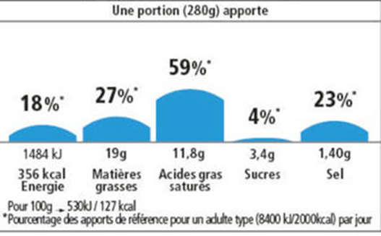 Nutri-repère | Voluntary | Industry scheme (Alliance 7, fict and SNFS) | Nutrients based | Energy content + content in 4 nutrients (sugars, fats, saturated fats, salt). Daily RI for energy and for the four nutrients on a per portion basis. The icons for the nutrients whose content in the food is higher are of a bigger size. |  | FIC Regulation (Art. 35) | Tested in France
 | 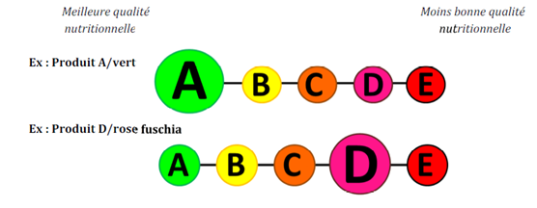 The 5C/Hercberg scheme | Voluntary | Scheme proposed by Professeur serge Hercberg (Universite Paris 3) in a report for the French Ministry of Health | Food based | 5 colours + 5 letters. A colour and letter is attributed to the food based on its overall nutritional quality |  | ?? | Tested in France. Discussed in the Commission Working Group on Claims of 19 December 2016: it was clarified that the scheme is not an additional form of information falling under EU FIC. "Such a system would be a voluntary national initiative within scope of Directive 2015/1535/EU and would need to be notified under the TRIS procedure. It was unclear how it could be notified under Regulation 1924/2006 on health claims as the red scale would not comply with ‘beneficial’ nutrition and health claims".
 | 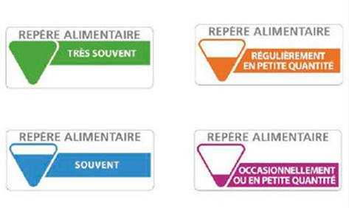 SENSES/Carrefour scheme | Voluntary | Retailers scheme (Carrefour) | Food based | 4 colours + sentences indicating the frequency of consumption. It advises consumers on how often they should consume the relevant food. |  | ?? | Tested in France
 | The traffic lights scheme | Voluntary | Government scheme (see the UK below, but also Portugal) | nutrient based | Colour code + RI. Energy content + content in 4 nutrients (sugars, fats, saturated fats, salt). Daily RI for energy and for the 4 nutrients on a per portion basis. Colours (red, amber or green) are attributed to energy and to each nutrient depending on their content in the food. |  | Fic Regulation (Art. 35) | Tested in France (see also the UK and Portugal below)
Germany
Greece
Hungary
Ireland
Italy
Latvia
Lithuania
Luxembourg
Malta
The Netherlands | 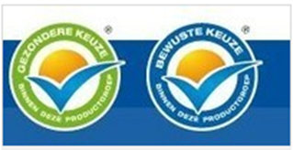 the Choices logo | Voluntary | Developed by The Choices International Foundation in cooperation with industry, science and government. | Food based | Identifies the 'healthiest' options within each food product group, based on product criteria |  | N&H Claims Regulation | On 19 October 2017, the Dutch government discarded the logo because it emerged that this is poorly understood by consumers. At first a transition period was set for 1 year. Following pressure from the industry, the authorities are now considering giving a transitional period of 24 months from the 19th of October. The authorities are currently considering an alternative for the “Vinkje” logo, in such a way that the “best in class” can be shown. Next to this the authorities also gave the Netherlands Nutrition Centre the instruction to develop an app with product information. The app will be tested from the 17th of February.
Poland
Portugal | Traffic lights? | Will be officially recommended by the authorities |  |  |  |  |  | The Portuguese Health Ministry has started work on a National Decree regarding “Traffic Lights” labelling system. However, nothign concrete is expected for the first half of 2017. This project is being developed with the participation of many stakeholders (e.g. Retailers Association, Consumers Association, Nutritionists Association, Farmers Association) and the national industry federation (FIPA). The Ministry of Health highlighted the importance for public health and stated that it is committed to the publication of a voluntary mechanism, consisting of an Implementation Guide framed by a National Decree.
Romania
Slovakia
Slovenia
Spain
Sweden | Keyhole (see above Denmark) | Voluntary | Government scheme (developed by the national authorities) | Food based | Identifies the 'healthiest' option within a food category, based on product criteria. Product criteria are based on the Northern Nutrition Recommendations |  | N&H Claims Regulation
United Kingdom | 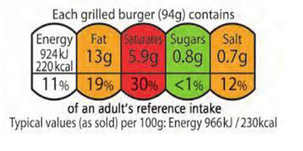 The Traffic lights scheme (See also above France and Portugal) | Officially recommended by the authorities (considered as de facto mandatory by many stakeholders) | Government scheme (officially recommended by the UK authorities in June 2013) | Nutrient based | Colour code + RI. Energy content + content in 4 nutrients (sugars, fats, saturated fats, salt). Daily RI for energy and for the 4 nutrients on a per portion basis. Colours (red, amber or green) are attributed to energy and to each nutrient depending on their content in the food. | Used by companies and retailers in the UK | FiC Regulation (Art. 35) | The UK recommendation for the Traffic Lights FOP scheme was debated at different occasions in the EPSCO, AGRI, and COMP Council, because of its possible impact on the free movement of goods, on traditional regional food products and on the risk of confusing consumers. On 1 October 2014, the European Commission sent a letter of formal notice to the UK. While the UK replied to this letter, the Commission has not further proceeded with the infringement procedure against the UK. The UK Government has adopted “Guide to creating a front of pack (FoP) nutrition label for pre-packed products sold through retail outlets”, which has been last updated in November 2016 (https://www.gov.uk/government/uploads/system/uploads/attachment_data/file/566251/FoP_Nutrition_labelling_UK_guidance.pdf).

